4.2.1_perf1
max_seq_length 64
learning_rate 1e-5
batch_size 64

best stsb dev
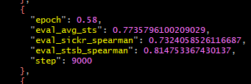

senteval total

4.21.0_perf1
Unsupervised

 | Normal Trainer

 |  | CUDA_VISIBLE_DEVICES=0 nohup python main.py --output_dir gpu0 &> gpu0.out &

 |  |  | max_seq_length 64
 |  |  | learning_rate 1e-5
 |  |  | batch_size 64
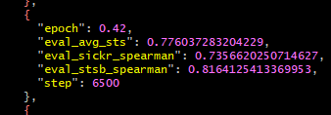
 |  | best stsb dev

 |  | senteval total

 | Custom Trainer (Gradient clipping disabled)

 |  | CUDA_VISIBLE_DEVICES=0 nohup python main.py --output_dir gpu0 &> gpu0.out &

 |  |  | max_seq_length 64
 |  |  | learning_rate 1e-5
 |  |  | batch_size 64
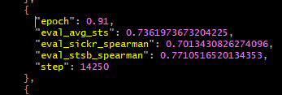
 |  | best stsb dev

 |  | senteval total

parameter diff
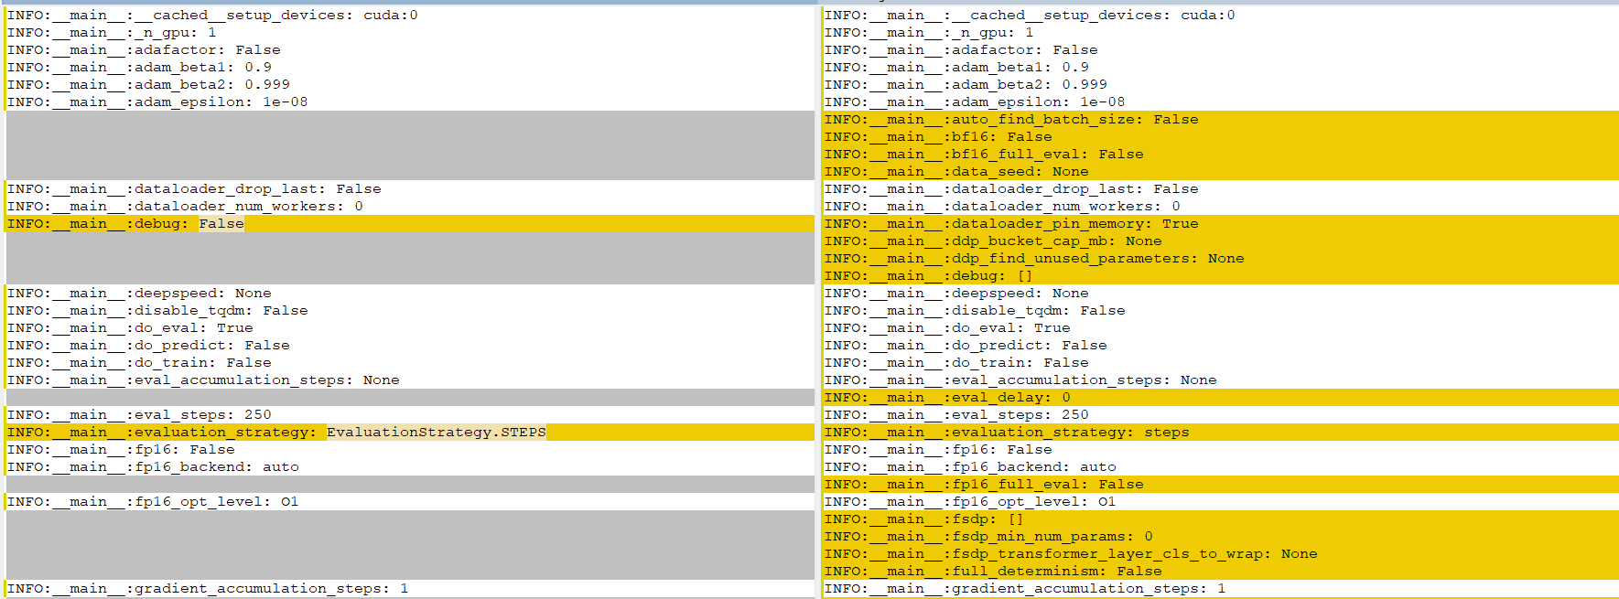

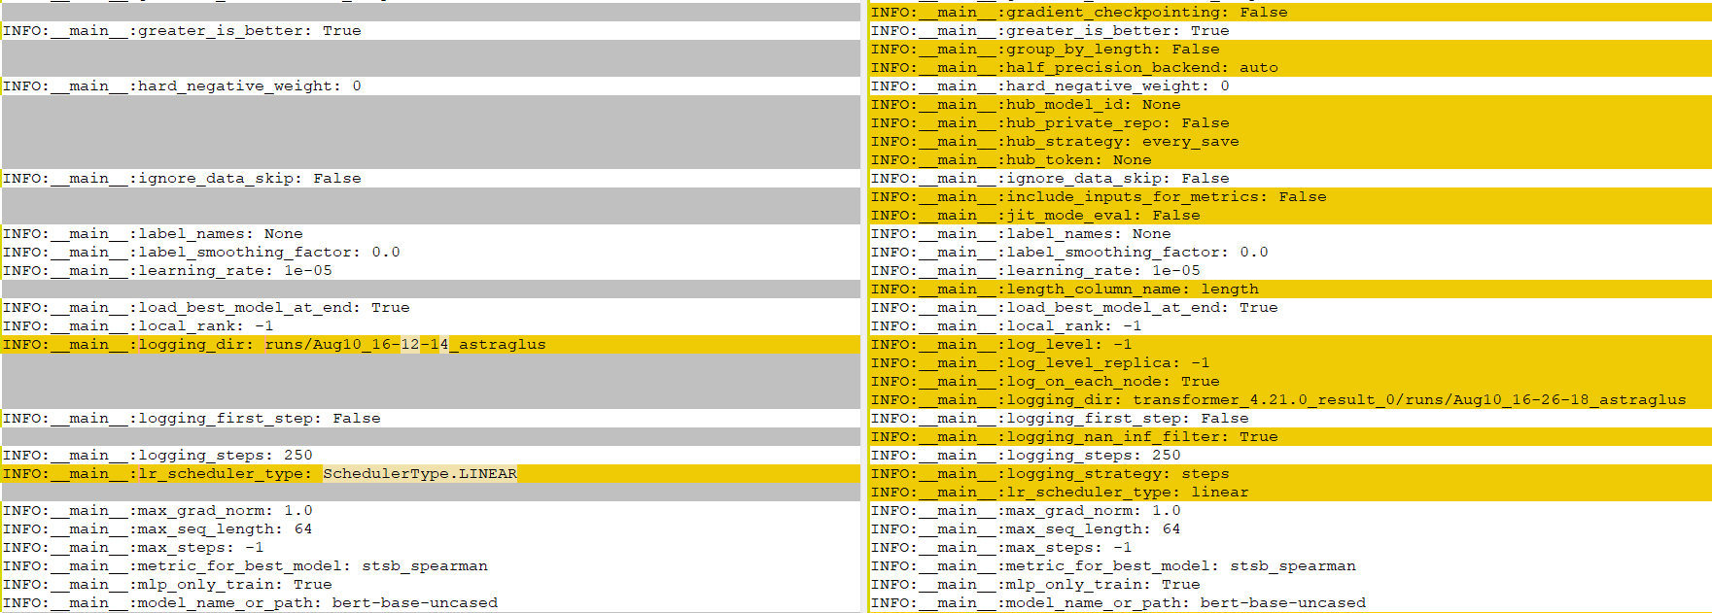

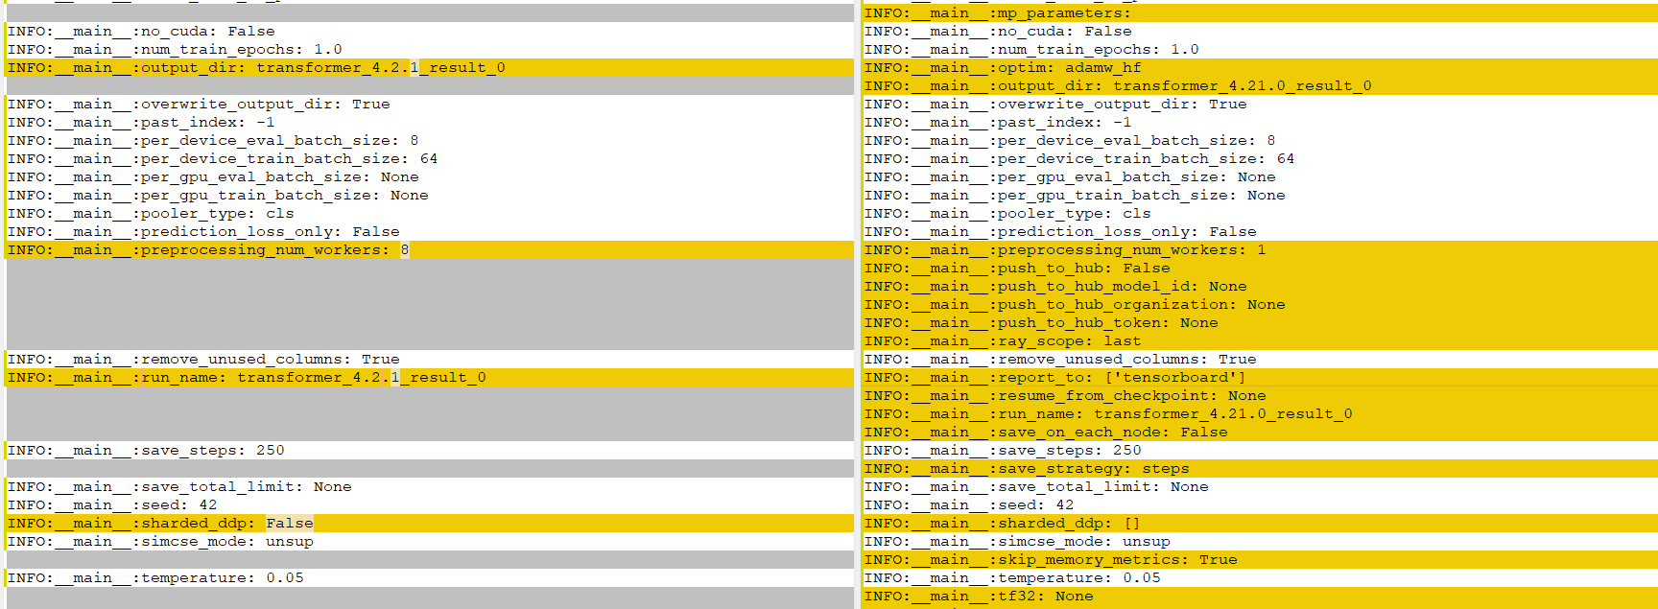

package diff
v4.11.0: GPT-J, Speech2Text2, FNet, Pipeline GPU utilization, dynamic model code loading
https://github.com/huggingface/transformers/releases/tag/v4.11.0

 | Fix loss computation in Trainer #13760 (@sgugger) - https://github.com/huggingface/transformers/pull/13760

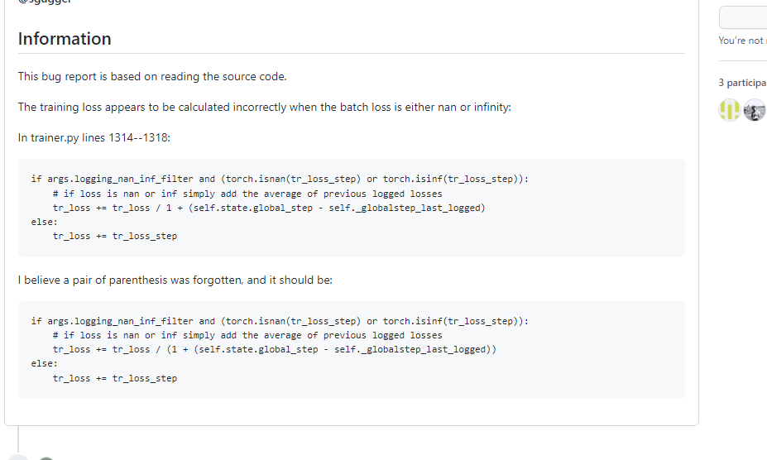

v4.6.0: ViT, DeiT, CLIP, LUKE, BigBirdPegasus, MegatronBERT
https://github.com/huggingface/transformers/releases?page=5

 | [trainer] solve "scheduler before optimizer step" warning #11144 (@stas00) - https://github.com/huggingface/transformers/pull/11144

